Sheet1
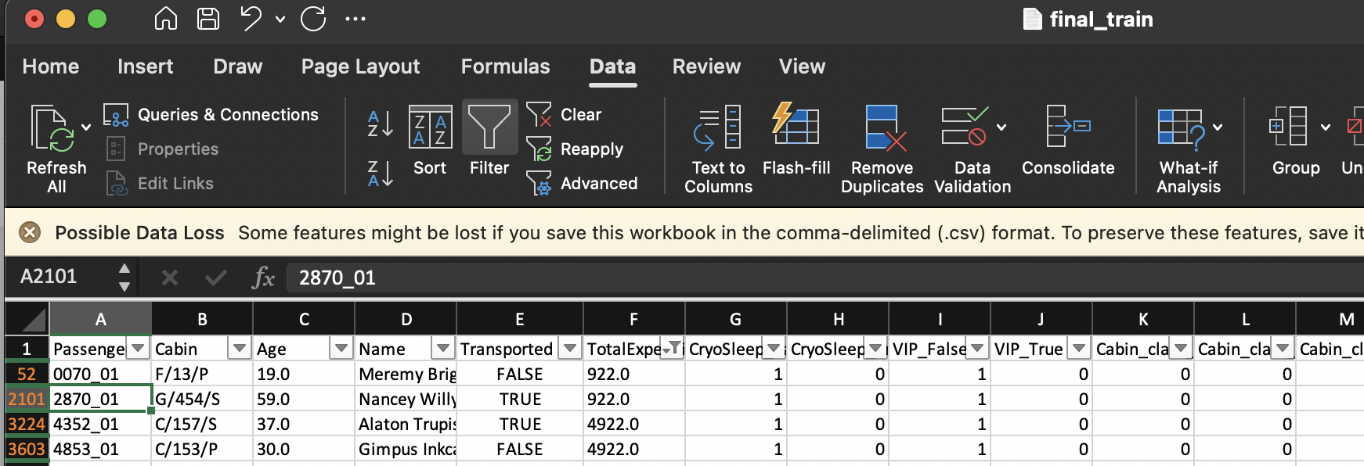
PassengerID | Ref ID | CryoSleep_True | CryoSleep_False | Age | TotalExpenditure | VIP_True | VIP_False | Cabin_class_A | Cabin_class_B | Cabin_class_C | Cabin_class_D | Cabin_class_E | Cabin_class_F | Cabin_class_G | Cabin_class_T | HomePlanet_Earth | HomePlanet_Europa | HomePlanet_Mars | Destination_55 Cancri e | Destination_PSO J318.5-22 | Trappiste | IsMinnor | TrainDataset | Test result
 | 5633 | 0 | 1 | 14.0 | 657.0 | 0 | 1 | 0 | 0 | 0 | 0 | 0 | 1 | 0 | 0 | 1 | 0 | 0 | 1 | 0 | 0 | 1 | FALSE | FALSE
2870_01 | 2099 | 0 | 1 | 59.0 | 922.0 | 0 | 1 | 0 | 0 | 0 | 0 | 0 | 0 | 1 | 0 | 1 | 0 | 0 | 0 | 0 | 1 | 0 | TRUE | FALSE
 | 6163 | 1 | 0 | 4.0 | 0.0 | 0 | 1 | 0 | 0 | 0 | 0 | 0 | 1 | 0 | 0 | 0 | 0 | 1 | 0 | 0 | 1 | 1 | TRUE | TRUE

ID number 2099

